Sheet1
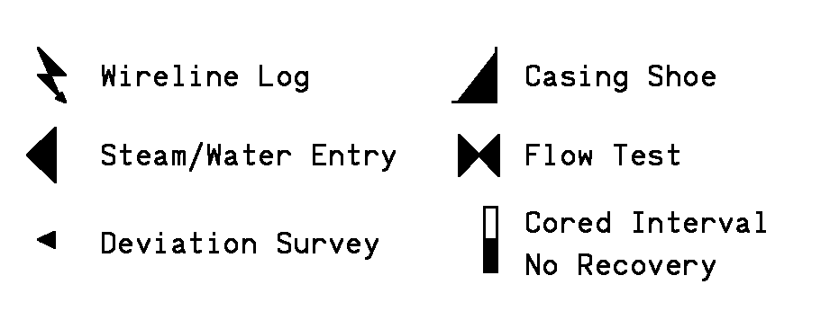
West Coast Geologic |  |  | HOLE |  |  |  | CASING
 |  |  | 26" |  | TO | 523' | 20" | FROM | 0 |  | TO | 522'
 |  |  | 17.5" |  | TO | 2934' | 13.375" | FROM | 0 |  | TO | 2925'
 |  |  | 12.25" |  | TO |  | LINER
 |  |  |  |  |  |  |  | FROM |  |  | TO
 |  |  |  |  |  |  |  | FROM |  |  | TO
COMPANY | Calpine Corporation
WELL NAME | Cobb Mtn Hunting Club - 8 |  | ABBREVIATIONS |  |  |  | SYMBOLS
FIELD | The Geysers |  | NB | New Bit | BHT | Bottom Hole Temp
COUNTY | Sonoma |  | RRB | Re-run Bit | C | Carbide Test
STATE | California |  | CB | Core Bit | NR | No Returns
WELL HEAD COORDINATES |  |  | WOB | Weight on Bit | LAT | Logged After Trip
Section 11, T11N, R8W |  |  | SPM | Strokes per Minute | CFM | Cubic Feet per Min
N 415004.4, E1777095.4 |  |  | PP | Pump Pressure | BUT | Bottoms Up Temp
ELEVATION | 2751.6' |  | RPM | Revolutions per Min |  |  | REMARKS
RIG - DAY RATE START DATE | 2017-02-20 |  |  |  |  |  | All depths from kelly bushing KB=28'
TD DATE |  |  | LITHOLOGY
TOTAL DEPTH |  |  |  |  |  |  | STEAM ENTRIES |  |  | WATER ENTRIES
TRUE VERTICAL DEPTH |  |  |  |  |  |  |  | Init | Sust
TD LOCATION

DRILLING CONTRACTOR | Calpine Rig #1
COMPANY REPRESENTATIVES | Derek Ketchum
 | Randy Fulcher
LOG INTERVAL
DATE LOGGED | 2/28/17 | TO
DEPTH LOGGED | 70' | TO
MUD DRILLING | 68' | TO
AIR DRILLING |  | TO
LOG SCALE | 1:600
UNIT NO. | C32 |  |  |  |  |  | SECONDARY MINERALS
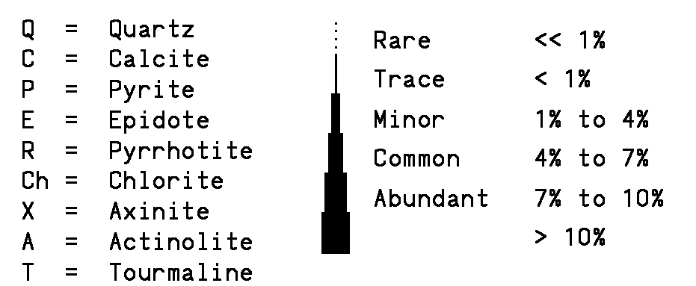
LOGGING GEOLOGISTS
Charley Wahl(cw), Patrick Broderick (pb), Mike McLaughlin (mm)

